Sheet1
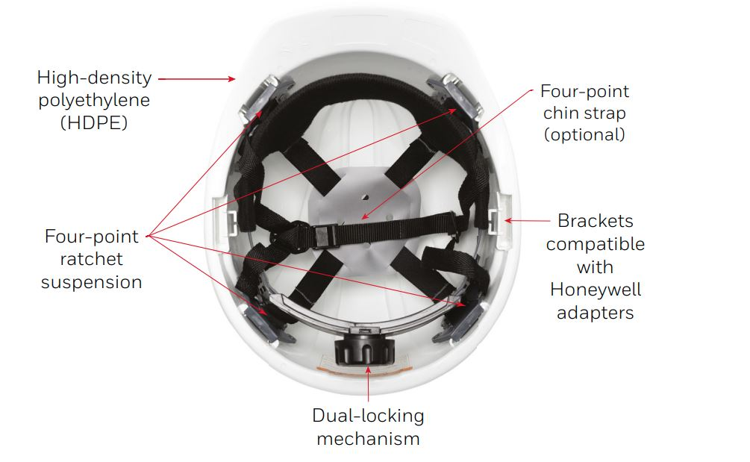
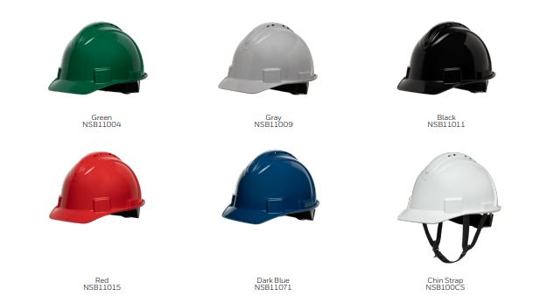
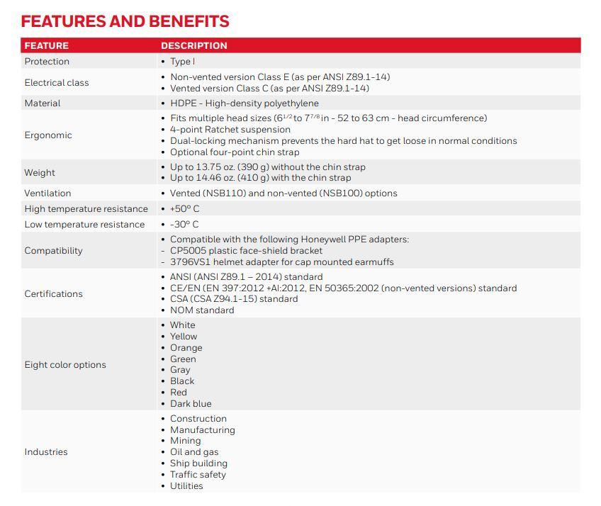
Material Code | Mater | Material Desc | LOB | Qty
NSB11071E | NSB11071E | NORTH SHORT BRIM HARD HAT VENTED BLUE | Head, Eye&Face protection | 1,820
NSB11003E | NSB11003E | NORTH SHORT BRIM HARD HAT VENTED ORANGE | Head, Eye&Face protection | 4,330
NSB11002E | NSB11002E | NORTH SHORT BRIM HARD HAT VENTED YELLOW | Head, Eye&Face protection | 4,638
NSB10071E | NSB10071E | NORTH SHORT BRIM HARD HAT DARK BLUE | Head, Eye&Face protection | 4,727
NSB11004E | NSB11004E | NORTH SHORT BRIM HARD HAT VENTED GREEN | Head, Eye&Face protection | 4,748
NSB11009E | NSB11009E | NORTH SHORT BRIM HARD HAT VENTED GRAY | Head, Eye&Face protection | 4,770
NSB11011E | NSB11011E | NORTH SHORT BRIM HARD HAT VENTED BLACK | Head, Eye&Face protection | 4,978
NSB11015E | NSB11015E | NORTH SHORT BRIM HARD HAT VENTED RED | Head, Eye&Face protection | 5,106
NSB10004E | NSB10004E | NORTH SHORT BRIM HARD HAT GREEN | Head, Eye&Face protection | 6,669
NSB10009E | NSB10009E | NORTH SHORT BRIM HARD HAT GRAY | Head, Eye&Face protection | 6,676
NSB10011E | NSB10011E | NORTH SHORT BRIM HARD HAT BLACK | Head, Eye&Face protection | 6,935
NSB10002E | NSB10002E | NORTH SHORT BRIM HARD HAT YELLOW | Head, Eye&Face protection | 7,085
NSB10015E | NSB10015E | NORTH SHORT BRIM HARD HAT RED | Head, Eye&Face protection | 7,456
NSB10003E | NSB10003E | NORTH SHORT BRIM HARD HAT ORANGE | Head, Eye&Face protection | 12,150
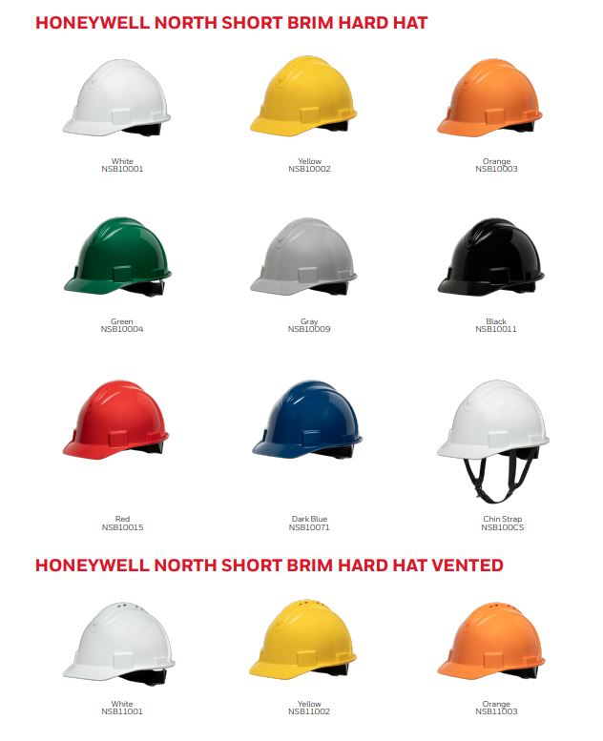
 |  |  |  | 82,088

